International Risk-Free Rates
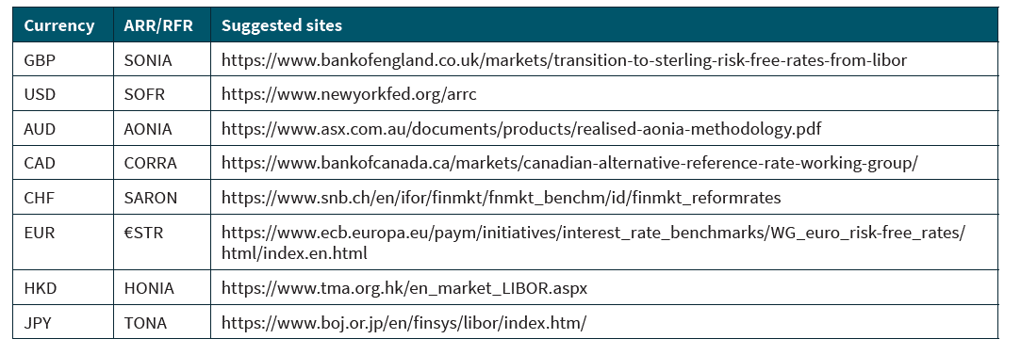
NOTE: SOFR+ refers to US and international overnight risk free rate indices as published for the replacment of an IBOR:

