Data Information
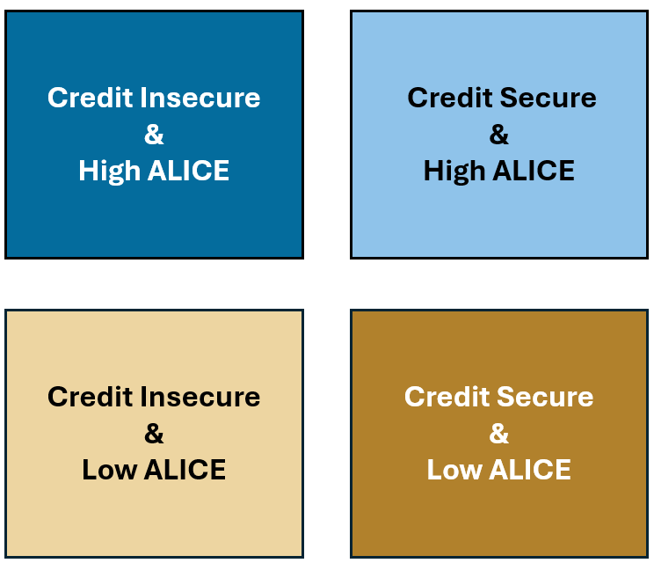
Credit Insecurity and ALICE Households in the United States
Data Workbook
Variables:
Year: 2023
County Name: The name of the county
State: The state abbreviation associated with the county
County FIPS: The Census Bureau FIPS code for the county
Credit Insecurity Index: County-level measure of access to affordable credit among consumers, defined as the share of those that are credit not included plus the weighted share of those who are credit constrained.
Percent of Households below ALICE Threshold: The percent of households below the ALICE Threshold in the county (Poverty-level + ALICE households)
Credit Security-ALICE County Matrix: Four categories defined by credit security and share of ALICE households below the ALICE Threshold (see data note below)
Not Credit Included: The percentage of the county population that does not have a credit score or file.
Credit Constrained: The weighted share of the county population that is credit constrained, calculated using a weighted percentage of populations experiencing any of four credit constraints (Deep Subprime Credit Score, Credit Utilization >= 100%, No Revolving Credit, and Struggling or Consistently Delinquent on Payments)
Sources: FRBNY Consumer Credit Panel/Equifax, American Community Survey (2019-2023 5-Year), Missouri Census Data Center Geocorr 2022; ALICE Threshold, 2023; American Community Survey, 2023
Data Notes:
All counties included in this data workbook have a population of at least 1000 people in 2023. Missing data either reflect populations below 1000 people or data unavailability for 2023.
The Credit Security-ALICE County Matrix assigns counties to four
categories based on their level of credit security and the share
of ALICE households, as follows:
ALICE:
- High ALICE: County with ≥ 42% of households below the ALICE
Threshold
- Low ALICE: County with < 42% of households below the ALICE
Threshold
Credit Insecurity:
- Credit Secure: County is that Credit Assured, Credit Likely,
or Mid-Tier
- Credit Insecure: County that is Credit At Risk or Credit Insecure
How to Cite this Data: Credit Security and ALICE Households in the United States, Federal Reserve Bank of New York, 2026 (https://newyorkfed.org/outreach-and-education/household-financial-stability/credit-insecurity-and-alice-households-in-the-united-states)

