cover sheet
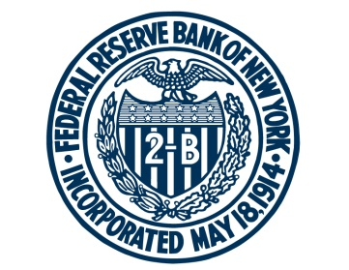

FEDERAL RESERVE BANK of NEW YORK

Chart Data for Federal Reserve Bank of New York, UIG Measures and 12-Month Change in the CPI
Updated and released on November 10

Chart: | Sheet:

UIG Measures and 12-Month Change in the CPI | ch1_uig

Source: Authors’ calculations, based on data accessed through Haver Analytics. Notes: We derive the “prices-only” underlying inflation gauge (UIG) using a large number of disaggregated price series in the consumer price index (CPI), while the “full data set” measure incorporates additional macroeconomic and financial variables. For comparison, we plot the two UIG measures against the twelve-month change in the CPI. The shaded areas indicate periods designated as recessions by the National Bureau of Economic Research.

For any questions, please contact Research Publications at:
research.publications@ny.frb.org

Terms of Use:
https://www.newyorkfed.org/privacy/termsofuse.html

